L-Qwest+L-CTL-PPO
Tester | SINO NOVA | Note: Note: Run all DTV test on IE8 Browser.
DTV 12/12 Release - CenturyLink Regression Test Cases

# | TestCase | Details and Steps | Test Address | Expected Result | PASS/FAIL | Actual Result | Date, result and VisitId | Screen Shot
1 | StandAlone Voice , New customer, Order Portal Browser: IE8 | 1. Qualify and Place Order with Century Link API in Order Portal - standalone voice 2. check product Prices on essentials, select get a new number 3. Select Self Install 3. Name : Shannon Anderson 4. DOB : 01-01-1945 5. SSN 532-70-9534 | 7611 W THOMAS RD, Phoenix, AZ 85033 | Install dates should be prompted Order should be successful | Pass | Install date displayed, Deposit Message poped up. Credit card collected for deposit. Order Successfully. Confirmation # is not showing correct for L-Qwest on OP. This is known issue. | R3/ VisitID: 1345509
2 | OMS- L-Qwest- StandAlone H S I, Install Dates and CC Browser: IE8 | 1. Qualify and Place Order with Century Link API - H S I - 2. select a modem option with prof install to trigger install dates and CC 3. Name : Shannon Anderson 4. DOB : 01-01-1945 5. SSN 222-01-4141 6. CC - Mastercard - 5100660077008802 | 1344 E Cherry Lane, 84040 | Install dates should be prompted Order should be successful |  | Install date displayed, Deposit Message poped up. Credit card collected for deposit. Order Successfully. | R3/ VisitID: 1345509 OMS: VisitID: 1345893 | 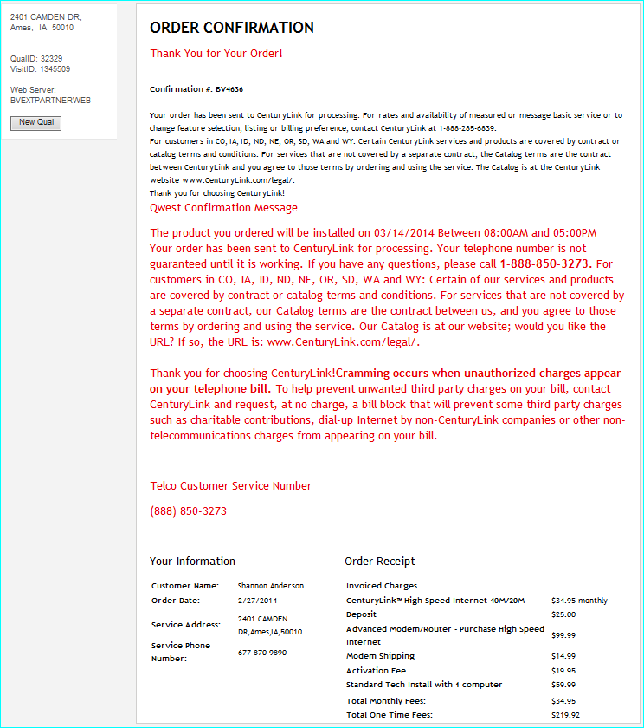
3 | OP- L-Qwest- Double Play Voice and Internet, Century Link API, Address Verification -- Browser: IE8 | 1. Qualify and Place Order with Century Link API 2. Address Verification - double play, Select enter your current non century link phone number 3. Name : Shannon Anderson 4. DOB : 01-01-1945 5. Driver license: AZ D02298884 6. CC - Mastercard - 5100660077008802 | 7611 W Thomas Rd, 85033 | Install date displayed, Deposit Message poped up. Credit card collected for deposit. Order Successfully. | Pass | Install date displayed, Deposit Message poped up. Credit card collected for deposit. Order Successfully. Confirmation # is not showing correct for L-Qwest on OP. This is known issue. | VisitID: 1294167
5 | OMS-L-Qwest- Any Voice standalone or Bundle with Voice. Porting an existing TN, Disclaimer , and Message in Confirmation page Browser: IE8 | Qualify with Century Link API in SalesFlow Select Any Voice standalone or Bundle with Voice Select having the customer keep current phone number. Name : Shannon Anderson 4. DOB : 01-01-1945 Driver license: AZ D02298884 CC - Mastercard - 5100660077008802 | 3220 COMMODORE DR, 80920 | In the confirmation page you should see the following disclaimer message * Disclaimer should be seen "PORTING DISCLAIMER, please read. By choosing to port your number to CenturyLink, a third party verification (TPV) will need to take place at the end of this call. After submitting the order, I will provide you with a reference number and transfer you to the following number, 888-726-7303, to complete the third party verification. (NOTE: If this order is taken outside of the hours of 10AM and 9PM EST Monday through Friday, please provide the CenturyLink porting team number so the customer can complete the order)." * Confirmation page should have the following message "This order requires Third Party Verification (TPV) and will not be submitted until TPV is completed. The Customer MUST call the CenturyLink Port team at 888-726-7303 during the hours of 10AM to 9PM EST Monday through Friday to complete the TPV." *Enter the QualSessionID and review the XML being sent. Presence of the PrepareOrderPortRequest XML request message should be detected along with valid matching data for each of the following... <PortTN "tel number" /PortTN> telephone entered at radio selection <PortTNAddress "telephone address"</PortTNAddress> address for phone number installation Confirm Century Link API (CenturyLink) response has no errors indicated. | Pass | Install date displayed, Deposit Message poped up. Credit card collected for deposit. Order Successfully. Porting Disclaimer displayed on confirmation page. | VisitID: 1294147
6 | OMS-L-Qwest- Existing customer Browser: IE8 | 1. Qualify with address r given 2. when asked if the customer is an existing customer, choose yes to existing customer 3. Add the phone numb 4. . Products should qualify. Select a Product and place order 5. During customizations you should not see an SSN number being requested. You will be prompted to enter tha last four digits of SNN | 49 BEVERLY DR SW, 98499 with TN = 253-584-4714 3339 E MONTE VISTA DR, Tucson, AZ 85716 Existing TN# 5632634888 | Order Placed successfully. | Pass |  | VisitID: 1294104 /1294113 | 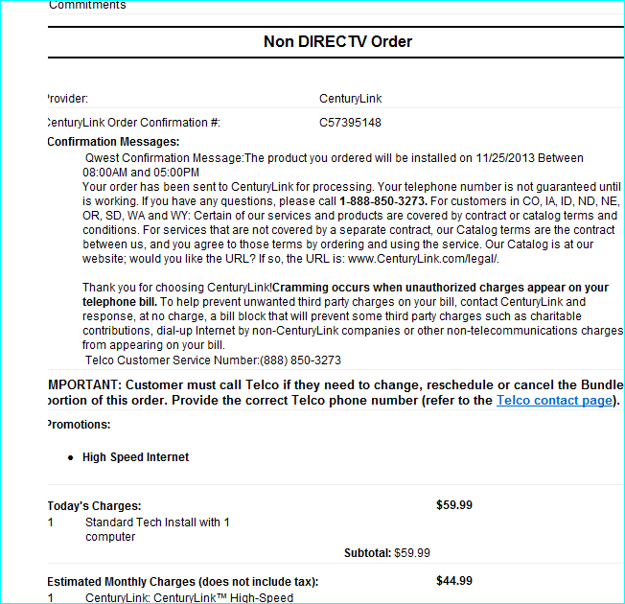
7 | L-Qwest- OP Existing customer Browser: IE8 | 1. Qualify with address and Phone number 2. Products should qualify. Select a Product and place order 3. During customizations you should not see an SSN number being requested. You will be prompted to enter tha last four digits of SNN | 2608 S 1ST ST, Tucumcari, NM 88401 5632634888 3220 COMMODORE DR, Colorado Spgs , CO 80920 5632634888 | Order Placed successfully. | PASS | Existing customer -line Share products are qualified. Order placed successfully. | VisitID: 1292503 | 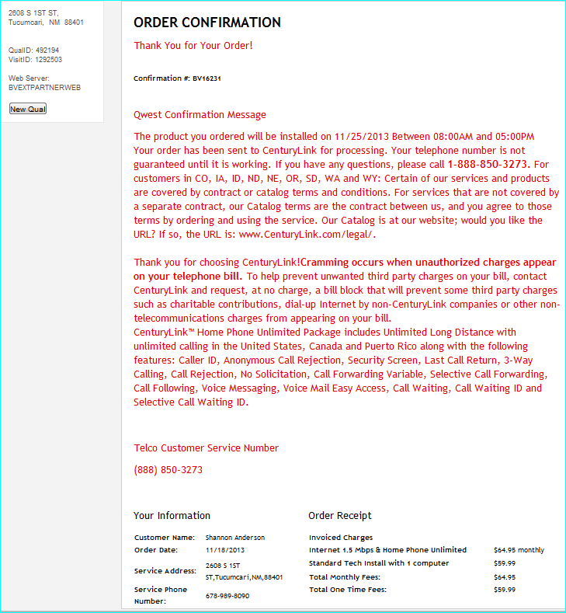
8 | OP- L-CTL Double Play Voice and Internet, with Deposit Browser: IE8 | 1. Qualify and Place order with CL - Double play Voice and Internet. 2. Check product prices on essentials. 3. FirstName : HUGH LastName : BERBERICH 4. DOB : 1977 (Any month, any date) 5. SSN : 666724857 (needs deposit). 6. CC - Master Card - 5424180279791732 | 408 CHANDLER DR N, Wilson, NC 27896 | Order is successfully Placed. Deposit Message is prompted to the user after customization have been completed and Credit Card is requested PreQual1207 GetCreditDecision XnetContentOrder1209 methods(request and responses) are executed. In Test Harness Please check the below: 1. In Xnet1209 Request 2. If it’s an address qual there should be no WTN sent, that would be populated with the validated TN that we are changing if a WTN qual. | PASS | Deposit message displayed and credit card collected for the deposit. Order placed successfully. | VisitID: 1292583 | 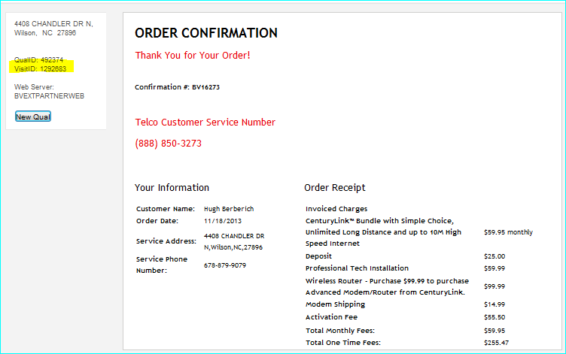
8 | OP- L-CTL HSI, with Deposit Browser: IE8 | 1. Qualify and Place order with CL - HS Internet. 2. Check product prices on essentials. 3. FirstName : HUGH LastName : BERBERICH 4. DOB : 1977 (Any month, any date) 5. SSN : 666724857 (needs deposit). 6. CC - Master Card - 5424180279791732 | 34 Copperhead Rd Carmen, ID 83462 631 HARVEY DALE DR, Fayetteville, NC 28301 | Order is successfully Placed. Deposit Message is prompted to the user after customization have been completed and Credit Card is requested PreQual1207 GetCreditDecision XnetContentOrder1209 methods(request and responses) are executed. In Test Harness Please check the below: 1. In Xnet1209 Request 2. If it’s an address qual there should be no WTN sent, that would be populated with the validated TN that we are changing if a WTN qual. | PASS | Deposit message displayed and credit card collected for the deposit. Order placed successfully. | R3/ VisitID: 1345469 | 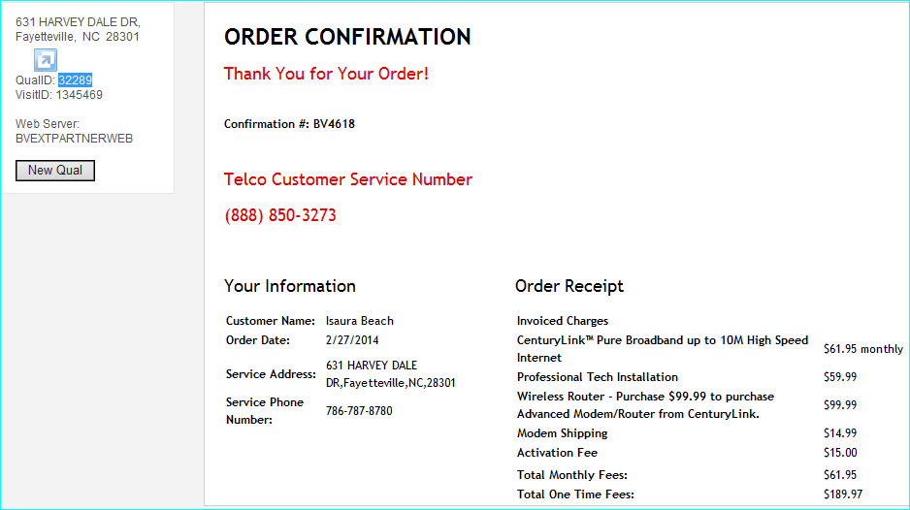
8 | OMS/ Integrated Tool- L-CTL HSI, with Deposit Browser: IE8 | 1. Qualify and Place order with CL - HS Internet. 2. Check product prices on essentials. 3. FirstName : HUGH LastName : BERBERICH 4. DOB : 1977 (Any month, any date) 5. SSN : 666724857 (needs deposit). 6. CC - Master Card - 5424180279791732 | 34 Copperhead Rd Carmen, ID 83462 631 HARVEY DALE DR, Fayetteville, NC 28301 | Order is successfully Placed. Deposit Message is prompted to the user after customization have been completed and Credit Card is requested PreQual1207 GetCreditDecision XnetContentOrder1209 methods(request and responses) are executed. In Test Harness Please check the below: 1. In Xnet1209 Request 2. If it’s an address qual there should be no WTN sent, that would be populated with the validated TN that we are changing if a WTN qual. | PASS | Deposit message displayed and credit card collected for the deposit. Order placed successfully. | VisitID: 1293977
9 | OP- L-CTL StandAlone Voice Browser: IE8 | 1. Qualify and Place order with CL Double play Voice and Internet. 2. Check product prices on essentials. 3. FirstName : VIRGINIA LastName : WURSTER 4. DOB : 1937 (Any month, any date) 5. SSN : 666722886 (Does not need deposit). 6. CC - Master Card - 5424180279791732 Changes in CL essentials since it is using it's own PPO: a.. Install dates drop down is presented to the user in every flow(Rule, select a modem option with prof install to trigger install dates and CC, does not exist any more.) NOTE: The option of 'call provider...contact provider to schdule a installation date' is taken out all toegther. | 366 Town Dr Greencastle, PA 17225 | Order is successfully Placed. PreQual1207 GetCreditDecision XnetContentOrder1209 methods(request and responses) are executed. In Test Harness Please check the below: 2. If it’s an address qual there should be no WTN sent, that would be populated with the validated TN that we are changing if a WTN qual. | PASS | Deposit not asked , credit card not collected. GetCreditDecision method executed. XnetContentOrder1209 methods(request and responses) executed. Order placed successfully. | VisitID: 1294182 | 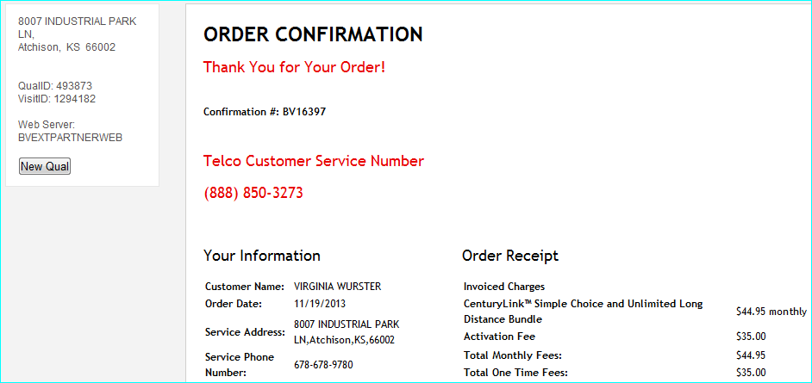
9 | OP- L-CTL StandAlone Voice Need Deposit Browser: IE8 | 1. Qualify and Place order with CL Standalone Voice 2. Check product prices on essentials. 3. FirstName : TEST LastName : BRANCHIZZI 4. DOB : 1928 (Any month, any date) 5. SSN : 666639384 (Does not need deposit). 6. CC - Master Card - 5424180279791732 Changes in CL essentials since it is using it's own PPO: a.. Install dates drop down is presented to the user in every flow(Rule, select a modem option with prof install to trigger install dates and CC, does not exist any more.) NOTE: The option of 'call provider...contact provider to schdule a installation date' is taken out all toegther. | 706 SUNSET LN, Branson, MO 65616 | Order is successfully Placed. PreQual1207 GetCreditDecision XnetContentOrder1209 methods(request and responses) are executed. Deposit collected Credit Card collected. In Test Harness Please check the below: 2. If it’s an address qual there should be no WTN sent, that would be populated with the validated TN that we are changing if a WTN qual. | PASS | Deposit message displayed and credit card collected for the deposit. Order placed successfully. | Visit ID: 1292690 | 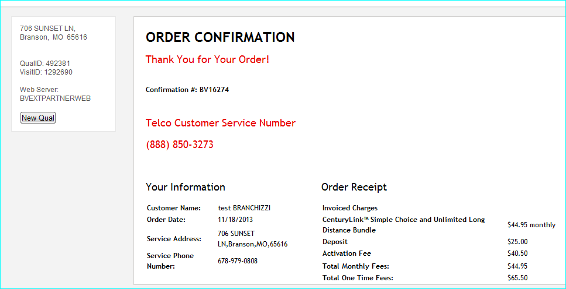
10 | StandAlone H S I, Browser: IE8 | 1. Qualify and Place order - Double play Voice and Internet. 2. Check product prices on essentials. 3. FirstName : ISAURA LastName : BEACH 4. DOB : 1968 (Any month, any date) 5. SSN : 666487956 (Does not need deposit). 6. CC - Amex: 371449635398431 Changes in CL essentials since it is using it's own PPO: a.. Install dates drop down is presented to the user in every flow(Rule, select a modem option with prof install to trigger install dates and CC, does not exist any more.) NOTE: The option of 'call provider...contact provider to schdule a installation date' is taken out all toegther. b. Driver License field does not exist any more. c. No secondary essentials (no post backs) d. Put in the first and last names in all uppercase when it is a fraud credit scenario. e. In the case of deposit required and not required credit scenario, do not input first and last names in uppercase alphabets. | 8007 Industrial Park Ln Atchison, KS 66002 | Order is successfully Placed. PreQual1207 GetCreditDecision XnetContentOrder1209 methods(request and responses) are executed. In Test Harness Please check the below: 2. If it’s an address qual there should be no WTN sent, that would be populated with the validated TN that we are changing if a WTN qual. | Pass | Deposit and Credit Card not collected. Order placed successsfully. | 493728 VisitID: 1294037 | 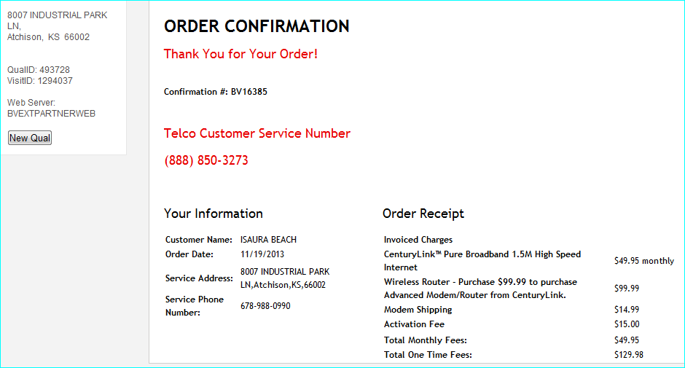
11 | OMS- L-CTL- Bundle with deposit Browser: IE8 | 1. Qualify and Place order , Standalone Internet. 2. Check product prices on essentials. 3. FirstName : ANABEL LastName : WHALEN 4. DOB : 1974 (Any month, any date) 5. SSN : 666604389 (Needs Deposit) 6. CC - Amex: 371449635398431 Changes in CL essentials since it is using it's own PPO: a.. Install dates drop down is presented to the user in every flow(Rule, select a modem option with prof install to trigger install dates and CC, does not exist any more.) NOTE: The option of 'call provider...contact provider to schdule a installation date' is taken out all toegther. b. Driver License field does not exist any more. c. No secondary essentials (no post backs) d. Put in the first and last names in all uppercase when it is a fraud credit scenario. e. In the case of deposit required and not required credit scenario, do not input first and last names in uppercase alphabets. | 59256 340th, Warroad, MN 56763. BTN: 218-386-1009 | Order is successfully Placed. After essentials complete you should see a deposit message. PreQual1207 GetCreditDecision XnetContentOrder1209 methods(request and responses) are executed. In Test Harness Please check the below: 1. In Xnet1209 Request 2. If it’s an address qual there should be no WTN sent, that would be populated with the validated TN that we are changing if a WTN qual. | Pass | Deposit Message displayed, Credit Card collected and order placed successfully. | 1294009 | 